Executive Dashboard
Executive Dashboard
OpenShift | July 2026

TOTAL OPEN |  | CRITICAL | HIGH |  | IMMEDIATE PATCH
140 |  | 23 | 48 |  | 71

Current unresolved findings |  | Critical severity findings | High severity findings |  | P1 + P2 findings

Severity Distribution |  |  | Patch Priority Distribution
Severity | Open Findings |  | Patch Priority | Open Findings
Critical | 23 |  | P1 | 0
High | 48 |  | P2 | 71
Medium | 46 |  | P3 | 46
Low | 23 |  | P4 | 23

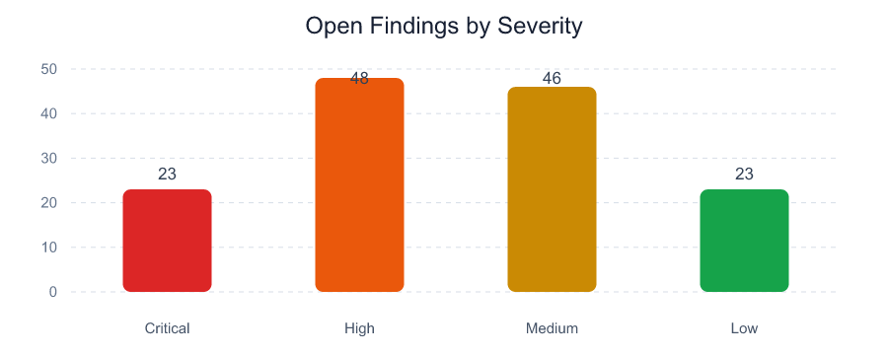
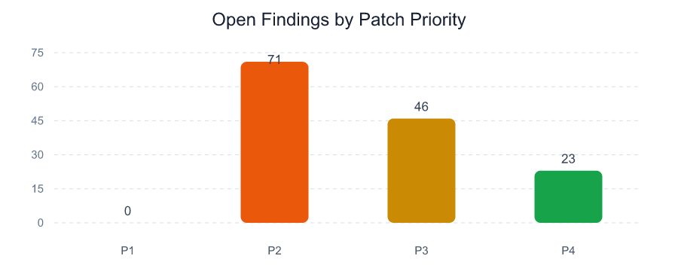

Executive Observations

- 71 of 140 open findings require P1 or P2 handling.

- 0 findings contain positive exploit-availability evidence in the selected scanner exports.

- 40 unique normalized assets or workloads are affected.

- 112 OpenShift findings have fix availability evidence; Fixable is not treated as exploit evidence.

Top Vulnerable Assets
Top Vulnerable Assets
OpenShift | July 2026

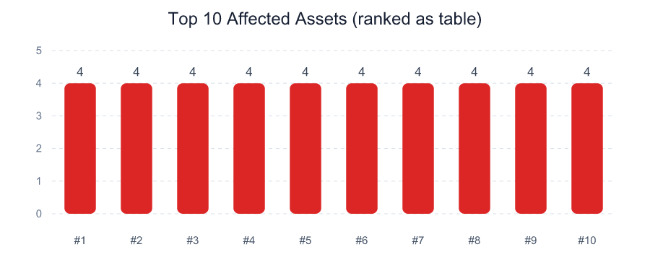
IP Address | DNS / Workload | Critical | High | P1 + P2 | Open Findings | Max Exposure
N/A | customer-portal/gateway-5 | 1 | 2 | 3 | 4 | 980
N/A | customer-portal/scheduler-2 | 2 | 1 | 3 | 4 | 980
N/A | integration/scheduler-4 | 1 | 2 | 3 | 4 | 980
N/A | integration/web-1 | 2 | 1 | 3 | 4 | 980
N/A | payments/gateway-3 | 2 | 1 | 3 | 4 | 980
N/A | payments/web-2 | 1 | 2 | 3 | 4 | 980
N/A | shared-services/web-3 | 1 | 2 | 3 | 4 | 980
N/A | analytics/scheduler-3 | 0 | 2 | 2 | 4 | 810
N/A | customer-portal/web-4 | 1 | 1 | 2 | 4 | 980
N/A | edge/worker-1 | 0 | 2 | 2 | 4 | 810
N/A | identity/gateway-4 | 0 | 2 | 2 | 4 | 810
N/A | monitoring/web-2 | 0 | 2 | 2 | 4 | 810
N/A | payments/scheduler-5 | 1 | 1 | 2 | 4 | 980
N/A | shared-services/scheduler-1 | 1 | 1 | 2 | 4 | 980
N/A | analytics/web-5 | 0 | 1 | 1 | 4 | 810

Top Vulnerabilities
Top Vulnerabilities
OpenShift | July 2026

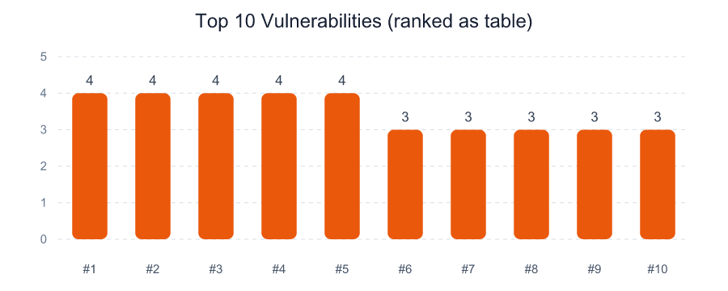
Vulnerability | CVE | Open Findings | Affected Assets | Highest Priority | Exploit Available | Max Exposure
go-toolset - CVE-2026-3013 | CVE-2026-3013 | 4 | 4 | P2 | 0 | 810
krb5-libs - CVE-2026-3011 | CVE-2026-3011 | 4 | 4 | P2 | 0 | 810
nginx - CVE-2026-3014 | CVE-2026-3014 | 4 | 4 | P2 | 0 | 810
python3-libs - CVE-2026-3012 | CVE-2026-3012 | 4 | 4 | P2 | 0 | 980
zlib - CVE-2026-3010 | CVE-2026-3010 | 4 | 4 | P2 | 0 | 810
curl - CVE-2026-3002 | CVE-2026-3002 | 3 | 3 | P2 | 0 | 810
curl - CVE-2026-3017 | CVE-2026-3017 | 3 | 3 | P2 | 0 | 810
curl - CVE-2026-3027 | CVE-2026-3027 | 3 | 3 | P2 | 0 | 980
curl - CVE-2026-3037 | CVE-2026-3037 | 3 | 3 | P2 | 0 | 810
expat - CVE-2026-3004 | CVE-2026-3004 | 3 | 3 | P2 | 0 | 810
expat - CVE-2026-3019 | CVE-2026-3019 | 3 | 3 | P2 | 0 | 810
expat - CVE-2026-3029 | CVE-2026-3029 | 3 | 3 | P2 | 0 | 810
expat - CVE-2026-3039 | CVE-2026-3039 | 3 | 3 | P2 | 0 | 980
glibc - CVE-2026-3001 | CVE-2026-3001 | 3 | 3 | P2 | 0 | 810
glibc - CVE-2026-3016 | CVE-2026-3016 | 3 | 3 | P2 | 0 | 810

